Main UIControl Colors per Theme
March 20th, 2024
Key | Dark Theme |  |  | Light theme |  |  | Use cases
 |  | Hex | RGB |  | Hex | RGB
Primary | Blue4 | 2196F3 | 33.150.243 | Blue4 | 2196F3 | 33.150.243 | Call for action button, primary selection, hover outline
Link | Blue3 | 44C4FF | 68.196.255 | Blue6 | 1565C0 | 21.101.192 | Links, Overlay help links(Blue 3 for both themes)
Heading | Orange1 | FFA500 | 255.165.0 | Orange4 | F3581C | 243.88.28 | Section heading, expander heading, overlay help section headers
Text | Gray1 | F5F5F5 | 245.245.245 | Gray9 | 212121 | 33.33.33 | Main body text, overlay help body
Secondary text | Gray3 | BDBDBD | 189.189.189 | Gray7 | 505050 | 80.80.80 | Sub-heading
Disabled | Gray4 | 9E9E9E | 158.158.158 | Gray5 | 727272 | 114.114.114 | Disabled button label
Read-only | TintedGray4 | 455A64 | 69.90.100 | TintedGray2 | B3BEC7 | 179.190.199 | Read-only input field text
Background Primary | Black | 000000 | 0.0.0 | White | FFFFFF | 255.255.255 | Ribbon background, button background, dark theme panel backround (88% opaque)
Background Secondary | Gray6 | 616161 | 97.97.97 | Gray1 | F5F5F5 | 245.245.245 | Context menus, dropdown menus, light theme panel background (88% opaque)
Background Tertiary | TintedGray6 | 061F2C | 6.31.44 | TintedGray1 | CFD8DC | 207.216.220 | Dark theme (Dropdown menus), Light theme (Ribbon background)
Background Radial Gradient 1 | See image 1a |  |  | See image 6a |  |  | Scene background
Background Radial Gradient 2 | See image 1b |  |  | See image 6b |  |  | Arc radial button background
Background Linear Gradient 1 | See image 2 |  |  | See image 7 |  |  | Status bar control background
Background Linear Gradient 2 | See image 3 |  |  | See image 8 |  |  | Tooltip background
Background Linear Gradient 3 | See image 4 |  |  | See image 9 |  |  | Tab(active) background
Background Linear Gradient 4 | See image 5 |  |  | See image 10 |  |  | Panel tab background
Border | Gray4 | 9E9E9E | 158.158.158 | Gray5 | 727272 | 114.114.114 | Button outline
Shadow | Grey7 | 505050 | 80.80.80 | Gray3 | BDBDBD | 189.189.189 | Text shadow, popup panel shadow, HUD-drag state shadow, legend panel shadow
Informational | Blue6 | 1565C0 | 21.101.192 | Blue6 | 1565C0 | 21.101.192 | Information message dialog, information badge icon
Success | Green4 | 00B400 | 0.180.0 | Green4 | 00B400 | 0.180.0 | Call for action button, SID outline complete
Warning | Yellow3 | FDD835 | 253.216.53 | Yellow3 | FDD835 | 253.216.53 | Warning message popup background, warning badge on tree node
Error | Red3 | E53935 | 229.57.53 | Red3 | E53935 | 229.57.53 | Error message popup background, error outline of input field

DARK THEME |  |  |  | LIGHT THEME
Image 1a - Radial Gradient 1 |  |  |  | Image 6a - Radial Gradient 1
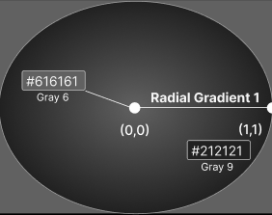
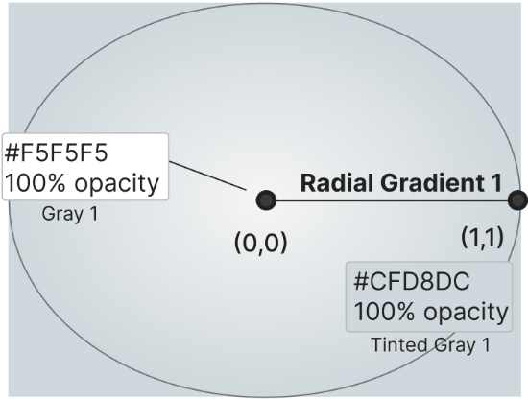

Image 1b - Radial Gradient 2 |  |  |  | Image 6b - Radial Gradient 2
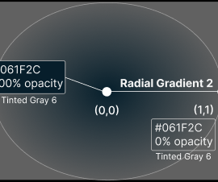
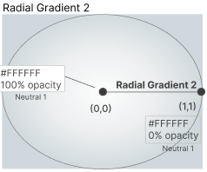

Image 2 - Linear Gradient 1 |  |  |  | Image 7 - Linear Gradient 1

Image 3 - Linear Gradient 2 |  |  |  | Image 8 - Linear Gradient 2

Image 4 - Linear Gradient 3 |  |  |  | Image 9 - Linear Gradient 3

Image 5 - Linear Gradient 4 |  |  |  | Image 10 - Linear Gradient 4

